Table 17
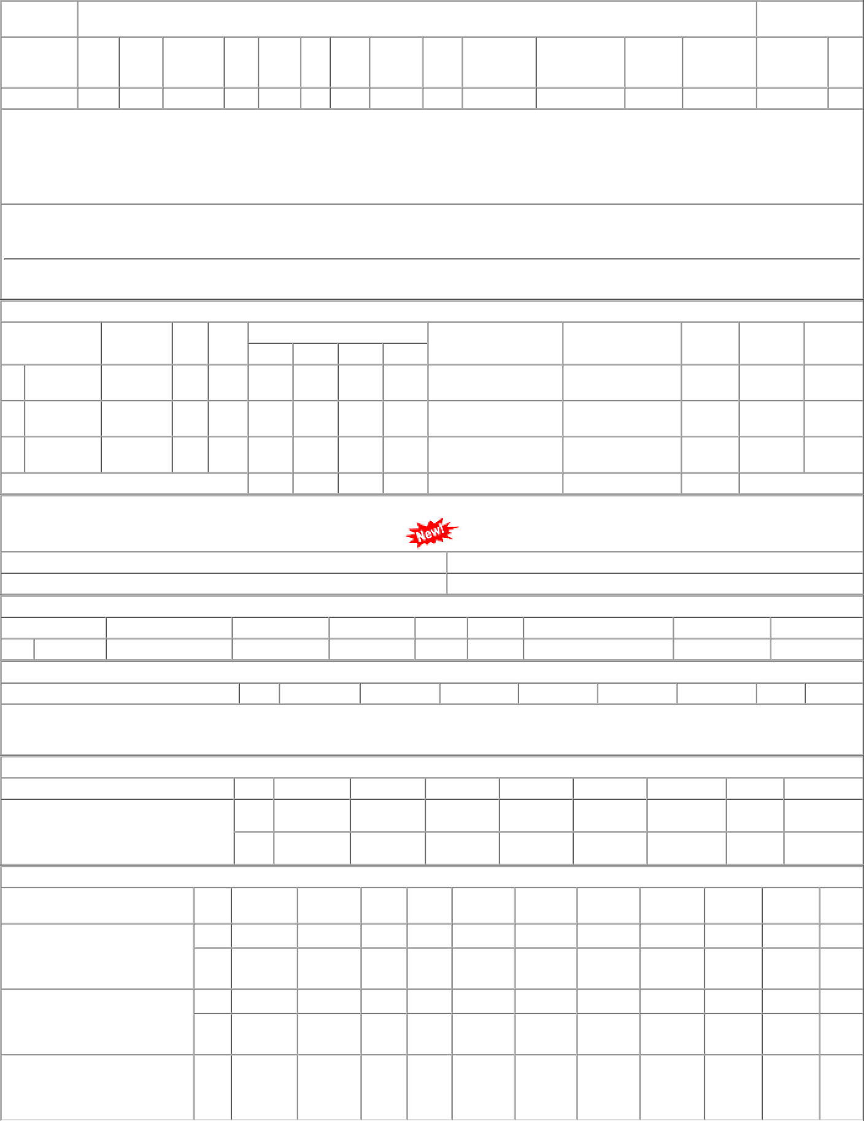
P.O.No.03221578105590 dt.04/11/22 on M/s.VIJAY ENGINEERS-JALANDHAR PO- CAT:[ Reg ] P.O.No.03211578104079 dt.30/08/21 on M/s.MOHINDRA ENTERPRISES-JALANDHAR PO-CAT:[ Reg ] P.O.No.52211338800792 dt.31/07/21 on M/s.PCMM Office, Central Railway, Mumbai - 400001 PO-CAT:[ Reg ] | 001 002 001 002 001 | PL-CR PRTN- CW PL-CR PRTN- CW PL-CR | 60.81 59.68 56.84 56.37 70.51 | 1674 Nos. 0 1710 Nos. 0 3000 Nos. 0 2000 Nos. 0 500 Nos. 0 | 0 0 0 2000 0 | 0 0 3000 2000 200 | 01/05/23 01/05/23 29/11/21 29/11/21 30/09/21 | 01/04/23 01/05/23 OP 01/04/23 01/05/23 OP 31/08/21 29/11/21 OP 31/08/21 29/11/21 OP 01/08/21 30/09/21 OP

